Test case template
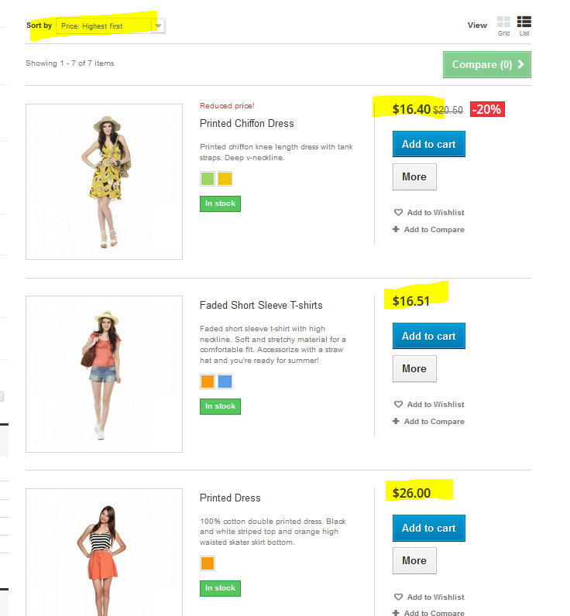
Център за обучение по софтуерно тестване Website: http://skillo-bg.com

Bug ID | OSHB0001
Name | Sorting by "highest price first"on product category "woman'" does not order the products by higest price
Priority | 2
Severity | 3
Description
Steps to reproduce | Open http://automationpractice.com, then click on "woman" product category and sort the resuts by "higest price first".Expected results:products are ordered by higest price first. Actual results: products are not ordered by price
Attachment | see below
Status | open
Component | Product order
Version/Build number (Found in)
Environment | Mozilla firefox version 64.0
Comments
Date Created | 19.12.2018
Author | Lorena Hyseni
Audit Log

